Sheet1
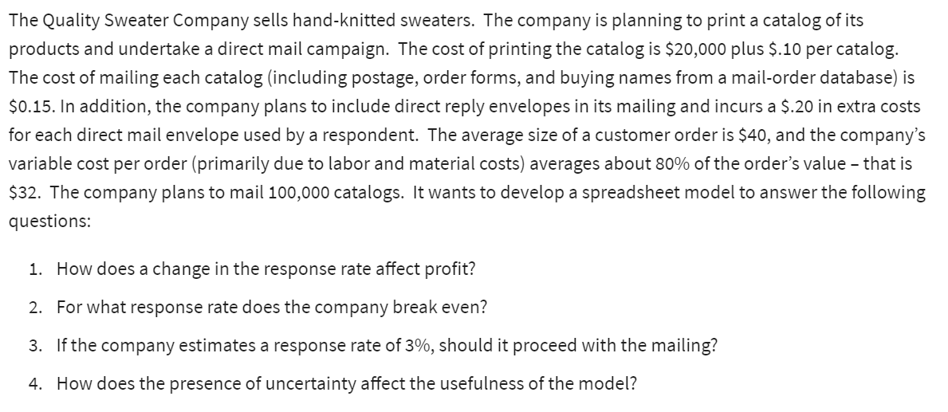
The Quality Sweater Company
Cost: |  |  | Response Rate | Profit
Fixed: |  |  |  | $-
Printing: | $20,000.00 |  | 3% | $-21,600
Variable: |  |  | 3.50% | $-17,700
Printing: | $0.10 | per catalog | 4% | $-13,800
Mailing: | $0.15 | per catalog | 4.50% | $-9,900
Reply Envelopes: | $0.20 | per order | 5% | $-6,000
Labour & Materials: | $32.00 | per order | 5.50% | $-2,100
Total cost: | $230,769.23 |  | 6% | $1,800
 |  |  | 6.50% | $5,700
Orders: |  |  | 7% | $9,600
Catalogs Ordered: | 100000 |  | 7.50% | $13,500
Response Rate: | 5.77% | <-dummy val | 8% | $17,400
Total orders: | 5769.2307692 |  | 8.50% | $21,300
 |  |  | 9% | $25,200
Revenue:
Quality Sweater Company
Avg Customer order: | $40.00
Total Revenue: | $230,769.23
Total Profit: | ₹ -

